Sheet3


 | Your Solar Quote

 | For: 1060/1062 Beaudesert Rd Coopers Plains QLD 4108

 | Prepare by: Rahil Puran

 | Contact Number: 0422 244 127

 | Email: rahil@esolarenergy.com.au

 | Quote Valid until: 24/11/2020



eSolar Energy

info@esolarenergy.com.au
233 Vulture Street South Brisbane QLD 4101

Recommended System Option

$9,000.00 |  | 23.00KW |  |  | 104KW |  | $20,761 |  | $11,761

Net System Price |  | System |  |  | Average Daily |  | Total System Price |  | Government
including GST |  | Size |  |  | Solar Generation |  | including GST |  | Rebate
Your Proposed System Design and roof plan
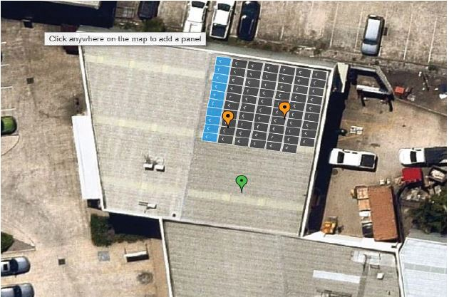

System Hardware |  |  |  |  |  |  | Installation Accessories
Solar Panels |  |  |  |  |  |  | HOP- 30 -40mm
Jinko 330 watt |  | PCS: | 55 |  |  |  | Select Series Rail Joiner
Inverter |  |  |  |  |  |  | Earthing Lug
Growatt 15KW |  | PCS: | 1 | E-Phase: | 3 |  | Earthing Plate
 |  |  |  |  |  |  | FX Inner Clamp 30-40mm
 |  |  |  |  |  |  | End Clamp 30 -40mm
 |  |  |  |  |  |  | Interface Bracket
 |  |  |  |  |  |  | HOP-Select-lite Rail 4200mm
 |  |  |  |  |  |  | ZJ-Beny Isolator 1200V 32A
Application |  |  |  |  |  |  | Clipsal Circuit Breaker 25A
Electrical Eonnection |  |  |  |  |  |  | Lable Kit Solar
Solar Net Meter |  |  |  |  |  |  | MCIV GENUINE Connectors M-F
Solar Rebate |  |  |  |  |  |  | ZJ-Beny Isolator Cover New
eSolar Energy @2020 | 1300 345 655

System Performance Estimate

Before and After Solar Save |  |  |  |  |  |  |  | YOUR BILL: |  | $1,000.00
 |  |  |  |  |  |  |  | DAYS: |  | 91
Tariff not specified, using Energy Australia Residential Basic Home Anytime (Energex 8400) based on location. |  |  |  |  |  |  |  | daily used: |  | 43kw
Your projected energy cost is calculated by considering a 3.0% increase in energy cost each year, due to trends in the raising cost of energy. This estimate is based on your selected preferences, current energy costs and the position and orientation of your roof to calculate the eficiency of the system. Projections are based on estimated usage of 7300 kWh per year, assuming Energy Australia Residential Basic Home Anytime (Energex 8400) Electricity Tariff. |  |  |  |  |  |  |  | pay/KWH: |  | $0.23
 |  |  |  |  |  |  |  | DAYS SUP: |  | $1.10

 |  |  |  |  |  |  |  | solar payment
Your electricity tariff rates may change as a result of installing the system. You should contact your electricity retailer for further information. |  |  |  |  |  |  |  | feed-in-tariff: |  | $0.12
 |  |  |  |  |  |  |  | solar daily used: |  | 20kw
Electricity Bill Savings
First Year Quarterly Bill Savings |  |  |  |  |  | Lifetime Bill Savings
New Bill
Month | Electricity Consumption |  | Solar Generation |  | Utility Bill |  | Utility Bill |  | Estimated Savings
 | (before solar) |  |  |  | (before solar) |  | (after solar) |  | (from solar)
Jan | 1333KW |  | 3583kw |  | $341 |  | -$157.48 |  | $498.14
Feb | 1204KW |  | 3220kw |  | $308 |  | -$140.31 |  | $448.00
Mar | 1244KW |  | 3209kw |  | $320 |  | -$133.03 |  | $453.22
Apr | 1201KW |  | 2898kw |  | $309 |  | -$104.56 |  | $413.76
May | 1324KW |  | 2709kw |  | $339 |  | -$54.74 |  | $393.33
Jun | 1290KW |  | 2139kw |  | $330 |  | $6.99 |  | $322.68
Jul | 1343KW |  | 2781kw |  | $343 |  | -$58.92 |  | $401.88
Aug | 1284KW |  | 2852kw |  | $329 |  | -$81.05 |  | $410.44
Sep | 1241KW |  | 3105kw |  | $318 |  | -$177.54 |  | $495.94
Oct | 1223KW |  | 3422kw |  | $315 |  | -$163.53 |  | $478.89
Nov | 1245KW |  | 3381kw |  | $319 |  | -$152.40 |  | $471.72
Dec | 1369KW |  | 3536kw |  | $349 |  | -$143.64 |  | $492.58
Solar Estimated Savings and Ivestemnt Return

$1,399.36 |  |  | $5,280.58 |  |  | 1.70 | Years |  | $112,212

Quarterly |  |  | Annual |  |  | Discounted |  |  | Savings/25 years
Savings |  |  | Savings |  |  | Payback Period |  |  | solar System

eSolar Energy @2020 | 1300 345 655
How Solar System Works

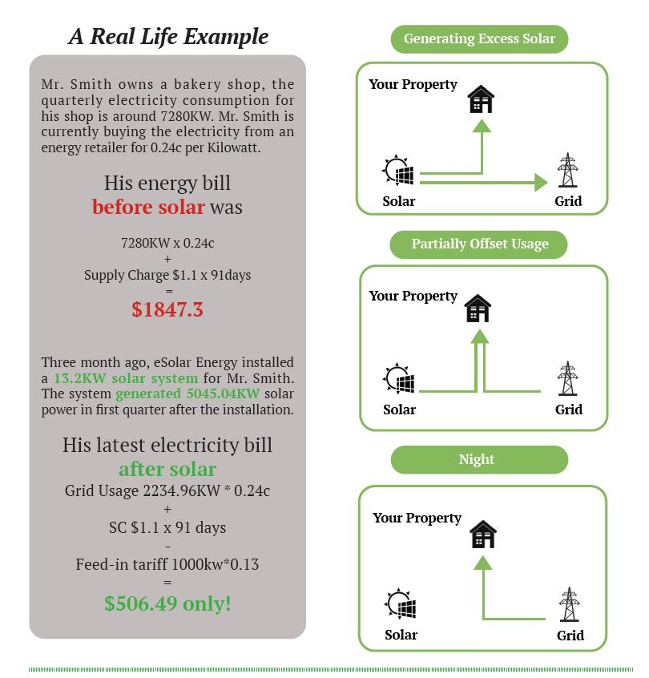

 |  |  |  | With a proud 8-year history and an entrenched reputation for service, superior product (tier 1 solar panels) and unmatched energy pricing, Sky Solar can take your business out of the dark –and spiralling electricity bills - and in to the light of incomegeneration and electricity offsets.

 |  |  |  | Let’s go green together. We look forward to meeting with you soon!

eSolar Energy @2020 |1300 345 655

